TB.MA 32
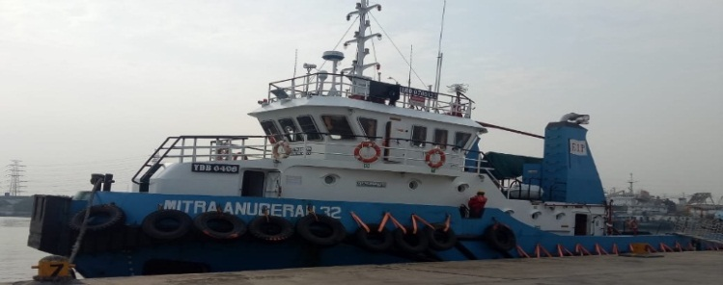
 | MASTER NAME : Capt Dari
 | PHONE NO : +87789905464
 | C/E NAME : Herman
 | PHONE NO : +6285225183558
 | SAT PHONE : +870 773 412 140
 | Email : master.mitra.anugerah32@gtmailplus.com

VESSEL NAME | TB MITRA ANUGERAH 32 (2000 hp)

VESSEL STATUS | ONHIRE
CLIENT/CHARTERER | PHE - OSES
VESSEL LOCATION | South Terminal CINTA
ON HIRE DATE | 6-Sep-19
CONTRACT DURATION | 3 Years
END CONTRACT DATE | 6-Sep-22
LAST EXTERNAL INSPECTION SIRE/PSC/PSA

LAST MANAGEMENT VISIT | 8 JUN 15 (OPERATION)
LAST MARINE SUPERINTENDENT VISIT | 30 oct 2015/qhse
LAST MASTER ASSESMENT
LAST JOB VERIFICATION
LAST BPI SUPPLIED ONBOARD | 10/30/2015 BPI 33-39
LAST NTM SUPPLIED ONBOARD
CERTIFICATE EXPIRING IN 60 DAYS
NAME OF CERTIFICATE | EXPIRY DATE
Rencana Pola Trayek (RPT) - Indonesia Flag | 04 - MARET - -2020
ISM - Document of Compliance
Sertifikat keselamatan kontruksi | 18/02/2020
sertifikat keselamatan radio kapal barang | 18/02/2020
sertifikat keselamatan kontruksi kapal barang | 18/02/2020
sertifikat keselamatan Equipment kapal barang | 18/02/2020
minumum safe manning | 2020-11-02
sertifikat sanitation | 30/02/2020
Sertifikat Of Entry Maritim Mutual | 2020-10-03
Surat Persetujuan berlayar | 13/12/2019

CLASS CERTIFICATE
NEXT ANNUAL SURVEY WINDOW
NEXT DOCKING WINDOW
INTERMEDIATE WINDOW
SPECIAL SURVEY WINDOW

DEFECT REPORT
DEFECT | STATUS
1. nozel jet (kropos) | Waiting sparepart ( januari 2020)

FUEL CONSUMPTION OVER

CREW ROTATION IN 30 DAYS
CREW SIGN OFF | TENTATIVE DATE
DARI (NAHKODA) | 3 WEEK
HERMAN ( KKM ) | 2 WEEK
ANDI LALA SAPUTRA (A/B ) | 2 WEEK

CREW RELIEVER | TENTATIVE DATE SIGN ON

CREW EXPIRED CERTIFICATE
NAME OF CERTIFICATE /HOLDER | EXPIRY DATE

INSPECTION OUTSTANDING
NC/OBSERVATION ITEMS | STATUS

DECK REQUISITION
PR Number | PO Number | Item | Date Of Request | Subject PR

Outstanding Requisition
ENGINE REQUISITION
PR Number | PO Number | Item | Date Of Request | Subject PR

Outstanding Defect
Defect description | Date reported Based on statement Of fact | Status Open / Closed date

